Constants and Properties
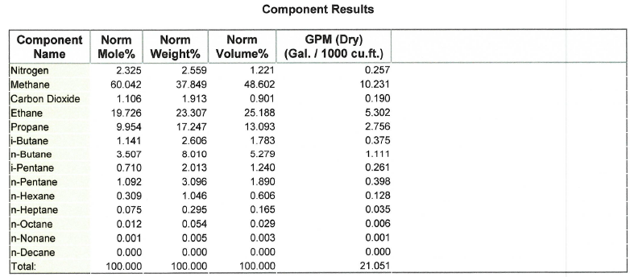
Constants, Properties, Ratings, Pi Tags
Gas Properties to Cooler
Component | mole % | Cp at ~200 deg F | xi*Cp,i | Cp,mix [BTU/lb/°F] | Molar mass (lb/lb-mol) | xi*MM,i | MM, mix (lb/lb-mol)
Nitrogen | 2.33% | 0.24 | 0.00558 | 0.5436823 | 28 | 0.651 | 25.43994618
$$C_{p,mix}=\sum_{i}{x_{i}C_{p,i}}$$
Methane | 60.04% | 0.552 | 0.33143184 |  | 16.05 | 9.636741
Carbon Dioxde | 1.11% | 0.219 | 0.00242214 |  | 44 | 0.48664
Ethane | 19.73% | 0.584 | 0.11519984 |  | 30 | 5.9178
$${MM}_{mix}=\sum_{i}{x_{i}{MM}_{i}}$$
Propane | 9.95% | 0.533 | 0.05305482 |  | 44.1 | 4.389714
i-Butane | 1.14% | 0.535 | 0.00610435 |  | 58.124 | 0.66319484
n-Butane | 3.51% | 0.518 | 0.01816626 |  | 58.124 | 2.03840868
i-Pentane | 0.71% | 0.567 | 0.0040257 |  | 72.151 | 0.5122721
n-Pentane | 1.09% | 0.522 | 0.00570024 |  | 72.151 | 0.78788892
n-Hexane | 0.31% | 0.505 | 0.00156045 |  | 86.18 | 0.2662962
n-Heptane | 0.08% | 0.497 | 0.00037275 |  | 100 | 0.075
n-Octane | 0.01% | 0.492 | 0.00005904 |  | 114.232 | 0.01370784
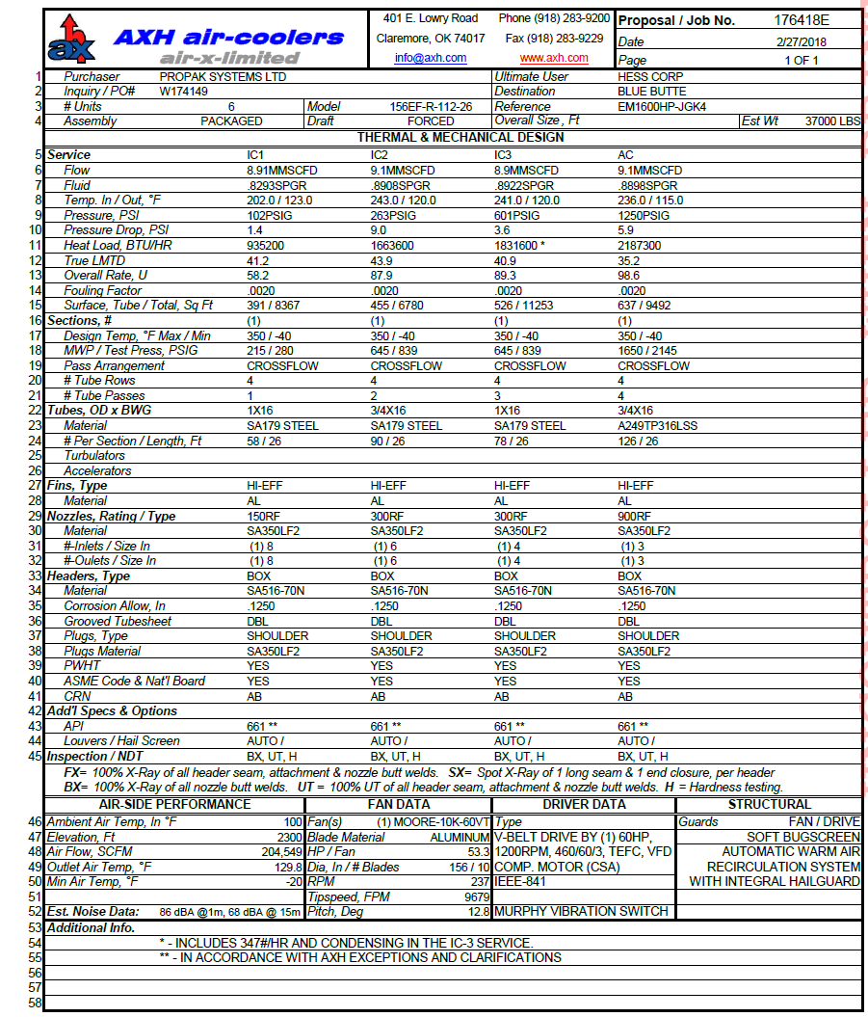
n-Nonane | 0.00% | 0.487 | 0.00000487 |  | 128.26 | 0.0012826
n-Decane | 0 | 0.483 | 0 |  | 142 | 0

Rated Duty (1000 BTU/hr) - Taken After Cleaning
Cooler type | IC-1 | IC-2 | IC-3 | AC
156EF-R-112-26 | 703.60195629 | 927.91152484 | 942.78977756 | 909.63754338

Relevant Pi Tags
Cooler # | IC-1 |  | IC-2 |  | IC-3 |  | AC/IC-4 |  | FIT
 | T_in | T_out | T_in | T_out | T_in | T_out | T_in | T_out | -
1 | 792108 | 792112 | 792109 | 792113 | 792110 | 792114 | 792111 | 792115 | 792120
2 | 792208 | 792212 | 792209 | 792213 | 792210 | 792214 | 792211 | 792215 | 792220
3 | | | | | | | | | | | | | | | | | |
4 | | | | | | | | | | | | | | | | | |
5 | | | | | | | | | | | | | | | | | |
6 | | | | | | | | | | | | | | | | | |
7 | | | | | | | | | | | | | | | | | |
8 | V | V | V | V | V | V | V | V | V
9 | 792908 | 792912 | 792909 | 792913 | 792910 | 792914 | 792911 | 792915 | 792920
10 | 792008 | 792012 | 792009 | 792013 | 792010 | 792014 | 792011 | 792015 | 792020

Rated Duty (1000 BTU/hr) - Spec Sheet
Cooler type | IC-1 | IC-2 | IC-3 | AC
156EF-R-112-26 | 935.2 | 1663.6 | 1831.6 | 2187.3

Sheet1
Cooler 1 | IC-1 | IC-2 | IC-3 | IC-4 | Cooler 2 | IC-1 | IC-2 | IC-3 | IC-4 | Cooler 3 | IC-1 | IC-2 | IC-3 | IC-4 | Cooler 4 | IC-1 | IC-2 | IC-3 | IC-4 | Cooler 5 | IC-1 | IC-2 | IC-3 | IC-4 | Cooler 6 | IC-1 | IC-2 | IC-3 | IC-4 | Cooler 7 | IC-1 | IC-2 | IC-3 | IC-4 | Cooler 8 | IC-1 | IC-2 | IC-3 | IC-4 | Cooler 9 | IC-1 | IC-2 | IC-3 | IC-4 | Cooler 10 | IC-1 | IC-2 | IC-3 | IC-4
Timestamp | Duty | Duty | Duty | Duty | Timestamp | Duty | Duty | Duty | Duty | Timestamp | Duty | Duty | Duty | Duty | Timestamp | Duty | Duty | Duty | Duty | Timestamp | Duty | Duty | Duty | Duty | Timestamp | Duty | Duty | Duty | Duty | Timestamp | Duty | Duty | Duty | Duty | Timestamp | Duty | Duty | Duty | Duty | Timestamp | Duty | Duty | Duty | Duty | Timestamp | Duty | Duty | Duty | Duty
#REF! | #REF! | #REF! | #REF! | #REF! | #REF! | #REF! | #REF! | #REF! | #REF! | #REF! | #REF! | #REF! | #REF! | #REF!

Cooler 1 Duties Over Time
 | IC-1 | IC-2 | IC-3 | IC-4
 | 1 | 1 | 1 | 1
Cooler 3 Duties Over Time
 | IC-1 | IC-2 | IC-3 | IC-4
 | 1 | 1 | 1 | 1

Cooler 2 Duties Over Time
 | IC-1 | IC-2 | IC-3 | IC-4
 | 1 | 1 | 1 | 1

